Figure 1 Incidence (Map) blue
Figure 1: Average annual incidence of people newly diagnosed with MS per 100,000 population, 2010-2016 data (by Health Board).
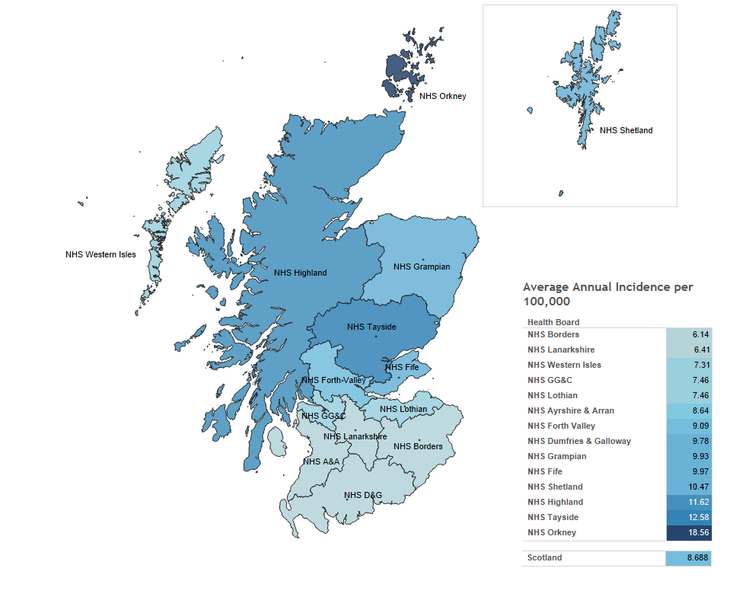

Notes:
1. Darker colours indicate a greater average annual incidence per 100,000.
2. Average (mean) population estimates across the 7 year time period used for this figure are calculated using mid-year population figures from the General Register Office for Scotland, estimated for the 30th of June each year.
3. The average annual incidence of MS per 100,000 population across the 7 year time period is calculated using mean mid-year population figures and the mean annual number of newly-diagnosed patients residing in each Health Board.
4: Cases with incomplete/missing date of confirmed diagnosis (N = 7) have been excluded from the data presented in this chart.

Chart 1
Chart 1: Percentage and number of patients with a new diagnosis of MS contacted by a MS nurse within 10 working days of confirmed diagnosis, 2015 and 2016 data.
 | 2015 | 2016
NHS A&A | 52.8% | 70.7%
NHS Borders | 33.3% | 50.0%
NHS D&G | 76.9% | 80.0%
NHS Fife | 23.1% | 45.0%
NHS Forth Valley | 68.4% | 78.8%
NHS GG&C | 60.2% | 64.1%
NHS Grampian | 84.5% | 58.7%
NHS Highland | 61.0% | 68.1%
NHS Lanarkshire | 46.9% | 66.0%
NHS Lothian | 71.4% | 69.8%
NHS Orkney | 100.0% | 100.0%
NHS Shetland | 0.0% | 0.0%
NHS Tayside | 73.3% | 68.6%
NHS Western Isles | 0.0% | 100.0%
Scotland | 61.1% | 65.3%

Notes:
1: This chart shows the percentage (on the Y-axis) and number (inside the bar) of newly diagnosed patients who were contacted by a MS Nurse within 10 working days of receiving a confirmed diagnosis of MS.
2: Cases for which contact with a MS Nurse specialist was declined (N = 3) have been excluded.
3: Data for this chart are based on Health Board of residence. Consequently, this may not be an accurate representation of each Health Board's performance as some patients may have chosen to be treated under a Health Board area other than that in which they reside.
4: No new diagnoses of MS have been reported in NHS Western Isles in 2015.
5: No new diagnoses of MS have been reported in NHS Shetland in 2015.
*: Following ISD Statistical Disclosure Control Protocol, any cells with count values of 4 or less have been redacted in order to protect the confidentiality of potentially personally identifiable information.

Chart 2
Chart 2: Percentage of patients with a new diagnosis of MS contacted by a MS nurse within 10 working days of confirmed diagnosis vs percentage contacted within ten working days from receipt of referral, 2010-2016 data.
 | Diagnosis to 1st Contact | Receipt of referral to 1st contact
2010 | 51.3% | 85.3%
2011 | 52.5% | 84.3%
2012 | 44.9% | 84.6%
2013 | 54.0% | 83.1%
2014 | 60.0% | 83.5%
2015 | 61.1% | 89.4%
2016 | 65.3% | 93.0%

Notes:
1: Cases for which contact with a MS Nurse Specialist was declined (N = 32) have been excluded from the data presented in this chart.
2: Cases with incomplete/missing date of confirmed diagnosis (N = 5) have been excluded from the data presented in this chart.

Chart 3
Chart 3: Percentage of patients newly diagnosed with MS in Scotland in 2016, by number of weeks from confirmed diagnosis to first contact with a MS nurse.
 | <2 weeks | 2-4 weeks | 4-6 weeks | 6+ weeks | Missing
NHS Ayrshire & Arran | 70.7% | 12.2% | 2.4% | 14.6% | 0.0%
NHS Borders | 50.0% | 16.7% | 0.0% | 33.3% | 0.0%
NHS Dumfries & Galloway | 80.0% | 20.0% | 0.0% | 0.0% | 0.0%
NHS Fife | 45.0% | 15.0% | 17.5% | 22.5% | 0.0%
NHS Forth Valley | 78.8% | 15.2% | 3.0% | 3.0% | 0.0%
NHS GG&C | 64.1% | 12.8% | 12.8% | 10.3% | 0.0%
NHS Grampian | 58.7% | 30.2% | 6.3% | 4.8% | 0.0%
NHS Highland | 68.1% | 19.1% | 2.1% | 8.5% | 2.1%
NHS Lanarkshire | 66.0% | 26.0% | 0.0% | 6.0% | 2.0%
NHS Lothian | 69.8% | 11.1% | 4.8% | 12.7% | 1.6%
NHS Orkney | 100.0% | 0.0% | 0.0% | 0.0% | 0.0%
NHS Shetland | 0.0% | 0.0% | 33.3% | 66.7% | 0.0%
NHS Tayside | 68.6% | 13.7% | 5.9% | 11.8% | 0.0%
NHS Western Isles | 100.0% | 0.0% | 0.0% | 0.0% | 0.0%
Scotland | 65.3% | 17.0% | 6.4% | 10.7% | 0.6%

Notes:
1: Cases for which contact with a MS Nurse specialist was declined (N = 3) have been excluded.
2: Data for this chart are based on Health Board of residence. Consequently, the above may not be an accurate representation of each Health Board's performance as it is possible that a proportion of patients will choose to be treated under a Health Board area other than that in which they reside.
3. 'Missing' indicates a missing/incomplete date of diagnosis, referral, or first contact with a MS nurse.

Chart 4
Chart 4: Percentage and number of patients with a new diagnosis of MS contacted by a MS nurse within 10 working days of receipt of referral, 2015 and 2016 data.
 | 2015 | 2016
NHS Ayrshire & Arran | 100.0% | 100.0%
NHS Borders | 100.0% | 83.3%
NHS Dumfries & Galloway | 84.6% | 80.0%
NHS Fife | 78.8% | 97.5%
NHS Forth Valley | 86.8% | 93.9%
NHS Greater Glasgow & Clyde | 87.8% | 84.6%
NHS Grampian | 98.3% | 98.4%
NHS Highland | 100.0% | 87.2%
NHS Lanarkshire | 96.9% | 94.0%
NHS Lothian | 79.2% | 95.2%
NHS Orkney | 100.0% | 100.0%
NHS Shetland | 0.0% | 33.3%
NHS Tayside | 85.0% | 96.1%
NHS Western Isles | 0.0% | 100.0%
Scotland | 89.4% | 93.0%

Notes:
1: This chart shows the percentage (on the Y-axis) and number (inside the bar) of newly diagnosed patients who were contacted by a MS Nurse within 10 working days of the MS Nurse receiving the referral.
1: Cases for which contact with a MS Nurse specialist was declined (N = 3) have been excluded.
2: Data for this chart are based on Health Board of residence. Consequently, this may not be an accurate representation of each Health Board's performance as some patients may have chosen to be treated under a Health Board area other than that in which they reside.
3: No new diagnoses of MS have been reported in NHS Western Isles in 2015.
4: No new diagnoses of MS have been reported in NHS Shetland for 2015.
*: Following ISD Statistical Disclosure Control Protocol, any cells with count values of 4 or less have been redacted in order to protect the confidentiality of potentially personally identifiable information.

Chart 5
Chart 5: Percentage of patients newly diagnosed with MS in Scotland, by number of weeks from receipt of referral to first contact with a MS nurse, 2016 data.
 | <2 weeks | 2-4 weeks | 4-6 weeks | 6+ weeks | Missing
NHS Ayrshire & Arran | 100.0% | 0.0% | 0.0% | 0.0% | 0.0%
NHS Borders | 83.3% | 16.7% | 0.0% | 0.0% | 0.0%
NHS Dumfries & Galloway | 80.0% | 0.0% | 0.0% | 20.0% | 0.0%
NHS Fife | 97.5% | 2.5% | 0.0% | 0.0% | 0.0%
NHS Forth Valley | 93.9% | 6.1% | 0.0% | 0.0% | 0.0%
NHS GG&C | 84.6% | 5.1% | 6.4% | 1.3% | 2.6%
NHS Grampian | 98.4% | 0.0% | 0.0% | 1.6% | 0.0%
NHS Highland | 87.2% | 0.0% | 0.0% | 8.5% | 4.3%
NHS Lanarkshire | 94.0% | 4.0% | 0.0% | 2.0% | 0.0%
NHS Lothian | 95.2% | 3.2% | 1.6% | 0.0% | 0.0%
NHS Orkney | 100.0% | 0.0% | 0.0% | 0.0% | 0.0%
NHS Shetland | 33.3% | 0.0% | 0.0% | 66.7% | 0.0%
NHS Tayside | 96.1% | 2.0% | 0.0% | 2.0% | 0.0%
NHS Western Isles | 100.0% | 0.0% | 0.0% | 0.0% | 0.0%
Scotland | 93.0% | 2.7% | 1.2% | 2.3% | 0.8%

Notes:
1: Cases for which contact with a MS Nurse specialist was declined (N = 3) have been excluded.
2: Data for this chart are based on Health Board of residence. Consequently, the above may not be an accurate representation of each Health Board's performance as it is possible that a proportion of patients will choose to be treated under a Health Board area other than that in which they reside.
3: < 2 weeks includes contact prior to diagnosis
4: 'Missing' indicates a missing/incomplete date of diagnosis, referral, or first contact with a MS nurse.

Chart 6
Chart 6: Distribution of the number days between each stage in the referral process from diagnosis to first contact by a MS nurse, 2016 data (by Health Board, reporting on all patients with a new diagnosis of MS).

 | Diagnosis | Days from diagnosis to referral Q1 | Days from diagnosis to referral Median | Days from diagnosis to referral | Days from diagnosis to receipt of referral Q1 | Days from diagnosis to receipt of referral Median | Days from diagnosis to receipt of referral | Days from diagnosis to 1st contact Q1 | Days from diagnosis to 1st contact Median | Days from diagnosis to 1st contact
 | 0 | 0 | 0 | 9
NHS Ayrshire & Arran | 0 |  |  |  | 0 | 0.001 | 18
 | 0 |  |  |  |  |  |  | 0 | 0.001 | 20
 | 0 | 0 | 3 | 11
NHS Borders | 0 |  |  |  | 0 | 8 | 97
 | 0 |  |  |  |  |  |  | 5 | 15 | 92
 | 0 | 0 | 0 | 19
NHS Dumfries & Galloway | 0 |  |  |  | 0 | 0.001 | 22
 | 0 |  |  |  |  |  |  | 0 | 0.001 | 26
 | 0 | 0 | 9 | 35
NHS Fife | 0 |  |  |  | 2 | 20 | 34
 | 0 |  |  |  |  |  |  | 10 | 16 | 33
 | 0 | 0 | 0 | 1
NHS Forth Valley | 0 |  |  |  | 1 | 4 | 6
 | 0 |  |  |  |  |  |  | 6 | 3 | 8
 | 0 | 0 | 0 | 3
NHS GG&C | 0 |  |  |  | 3 | 6 | 19
 | 0 |  |  |  |  |  |  | 5 | 8 | 23
 | 0 | 0 | 4 | 10
NHS Grampian | 0 |  |  |  | 4 | 5 | 14
 | 0 |  |  |  |  |  |  | 6 | 5 | 13
 | 0 | 0 | 1 | 6
NHS Highland | 0 |  |  |  | 0 | 3 | 7
 | 0 |  |  |  |  |  |  | 6 | 5 | 14
 | 0 | 0 | 0 | 0
NHS Lanarkshire | 0 |  |  |  | 0 | 8.5 | 16
 | 0 |  |  |  |  |  |  | 5 | 8 | 15
 | 0 | 0 | 0 | 1
NHS Lothian | 0 |  |  |  | 0 | 0.001 | 13.5
 | 0 |  |  |  |  |  |  | 0 | 4.5 | 19.5
...

Notes:
1: For chart 6, a box plot has been used to show the typical time distribution (in days since diagnosis) for each stage in the referral process for patients diagnosed in 2016. Each box shows the interquartile range, or middle 50% of the data. The black line inside each box shows the median number of days between diagnosis and each stage in the referral process. As the data are largely skewed, the median is more representative of the typical patient experience than the mean as it is less influenced by outliers. The minimum and maximum values are not necessarily shown in this chart.
2: Chart 6 illustrates, for example, that the average (median) patient residing in the NHS GG&C Health Board area had their referral sent to a MS nurse on the same day as they received a confirmed diagnosis. that the MS nurse received the referral 6 days following a confirmed diagnosis, and that the patient had their first contact with the MS nurse 8 days after they received a confirmed diagnosis. If we take the interquartile range to indicate the typical patient experience, typically, a patient residing in NHS GG&C had their referral sent to a MS nurse between 0 and 3 days following diagnosis, the MS nurse received the referral between 3 and 19 days following diagnosis, and the patient had their first contact with the MS nurse between 5 and 23 days following diagnosis.
3: Cases for which contact occurred or the referral was sent or received prior to diagnosis (N = 38) have been excluded.
4: Data for this chart are based on Health Board of residence. Consequently, the above may not be an accurate representation of each Health Board's performance as it is possible that a proportion of patients will choose to be treated under a Health Board area other than that in which they reside.

Figure 3 residence by centre
Figure 3: Number of patients newly diagnosed with MS in 2016 by Health Board from which we receive incidence forms vs Health Board of residence at time of diagnosis.

Activity

41
A&A
40
*
Western Isles
*
6
Borders
6

1
*
Shetland
*
1
5
D&G
5

6
Orkney
6
78
GG&C
94
52
Tayside
56
41
Fife
38
3

2
1
61
Lothian
60
34
Forth Valley
35

7

50
Lanarkshire
43
1
6
1
63
Grampian
63
47
Highland
39

 |  | Number of MS patients diagnosed in 2016 by NHS Board of residence
 |  | Number of MS Incidence forms received from hospitals in each NHS Board in 2016

 | Notes:
 | 1: The purpose of this figure is to illustrate cross border activity between Health Boards.
 | 2: This figure illustrates, for example, that 78 newly diagnosed people in 2016 were resident in the NHS GG&C area, while 94 patients were diagnosed at a participating hospital under NHS GG&C in 2016. 6 of the patients diagnosed at NHS GG&C were resident in the NHS Highlands area; 7 were resident in the NHS Lanarkshire area; 2 in the NHS Lothian area; and 1 each in the NHS Ayrshire & Arran and NHS Western Isles areas. One patient diagnosed by NHS Forth Valley in 2016 was resident in the the NHS GG&C area (94 - 6 - 7 - 2 - 1 - 1 + 1 = 78)
 | 3: Cases where the hospital the incidence form was received from were blank (N = 2) were excluded from the data presented here.

Figure 3 diag by centre
Figure 3: Number of patients newly diagnosed with MS in 2016 by Health Board from which we receive incidence forms vs Health Board where the patient received their diagnosis.

Activity

36
A&A
40
0
Western Isles
0
6
Borders
6

3
1
0
Shetland
*
5
D&G
5

3
112
GG&C
94
9
Private
0

*
Orkney
6
58
Tayside
56
36
Fife
38
5
1

1
1

54
Lothian
55
33
Forth Valley
35
2

1
12
1
4
1
27
Lanarkshire
43
3
68
Grampian
63
38
Highland
39
1

 |  | Number of MS patients diagnosed by Health Board in 2016
 |  | Number of MS Incidence forms received from hospitals in each Health Board in 2016

 | Notes:
 | 1: The purpose of this figure is to illustrate cross border activity between Health Boards.
 | 2: This figure illustrates, for example, that 112 patients were diagnosed at participating hospitals under NHS GG&C in 2016. We received 94 incidence forms for these patients from NHS GG&C; we received 12 incidence forms for these patients from NHS Lanarkshire; 3 incidence forms from NHS Highland; and 3 incidence forms from NHS Ayrshire and Arran (94 + 12 + 3 + 3 = 112).
 | 3: Cases where either the diagnosis hospital or the hospital the incidence form was received from were blank (N = 7) were excluded from the data presented here.

Chart 7
Chart 7: Average annual age-specific incidence of patients newly diagnosed with MS in Scotland per 100,000 population, 2010-2016 data (by gender).
 | Female = 41 yrs | Persons = 41 yrs | Male = 42 yrs
16 - 19 | 4.1 | 2.6 | 1.1
20 - 24 | 11.8 | 8.6 | 5.3
25 - 29 | 21.3 | 15.0 | 8.9
30 - 34 | 25.6 | 18.4 | 11.2
35 - 39 | 27.1 | 19.5 | 11.5
40 - 44 | 24.1 | 18.3 | 11.5
45 - 49 | 21.5 | 15.6 | 9.1
50 - 54 | 15.6 | 12.1 | 8.7
55 - 59 | 11.8 | 8.8 | 5.8
60 - 64 | 7.3 | 5.4 | 3.4
65 - 69 | 4.3 | 3.6 | 2.9
70 - 74 | 2.6 | 1.9 | 1.1
75 - 79 | 0.4 | 0.5 | 0.5
80 - 84 | 0.0 | 0.0 | 0.0
85 - 89 | 0.0 | 0.0 | 0.0
90+ | 0.0 | 0.0 | 0.0

Notes:
1: SMSR collects data on newly diagnosed patients aged 16 and over.
2: Average annual incidence within each age group was calculated using the mean mid-year gender population estimates within each 5-year age group for 2010-2016 (from the General Register Office for Scotland, estimated for the 30th of June each year) and mean incidence reported to the Scottish MS Register for each gender across this 6 year time period.
3: Mean age for each gender is calculated using patient date of birth quoted at time of confirmed diagnosis.
4: Cases for which age at diagnosis could not be calculated (N= 27: Nmales = 9, Nfemales = 12, Nunknown = 6) were excluded from the data presented in this chart.

Chart 8
Chart 8: Number of patients newly diagnosed with MS in Scotland, 2010 - 2016 data (by gender and year of birth).
 | Male | Female
1934-39 (N = 6 + *) | 3 | 6
1940-45 (N = 56) | 22 | 34
1946-51 (N = 120) | 36 | 84
1952-57 (N = 237) | 76 | 161
1958-63 (N = 394) | 136 | 258
1964-69 (N = 529) | 162 | 367
1970-75 (N = 562) | 158 | 404
1976-81 (N = 547) | 169 | 378
1982-87 (N = 435) | 130 | 305
1988-93 (N = 291) | 81 | 210
1994-2000 (N = 55) | 13 | 42

Notes:
1: Cases where a patient's date of birth were not recorded (N=13; Nmales = 3, Nfemales = 4, Nunknown = 6) have been excluded from the data presented in this chart.
2: *<5 males born between 1934-39 and 13 males born between 1994-2000 were newly diagnosed with MS in the period 2010-2016.

